Project4747
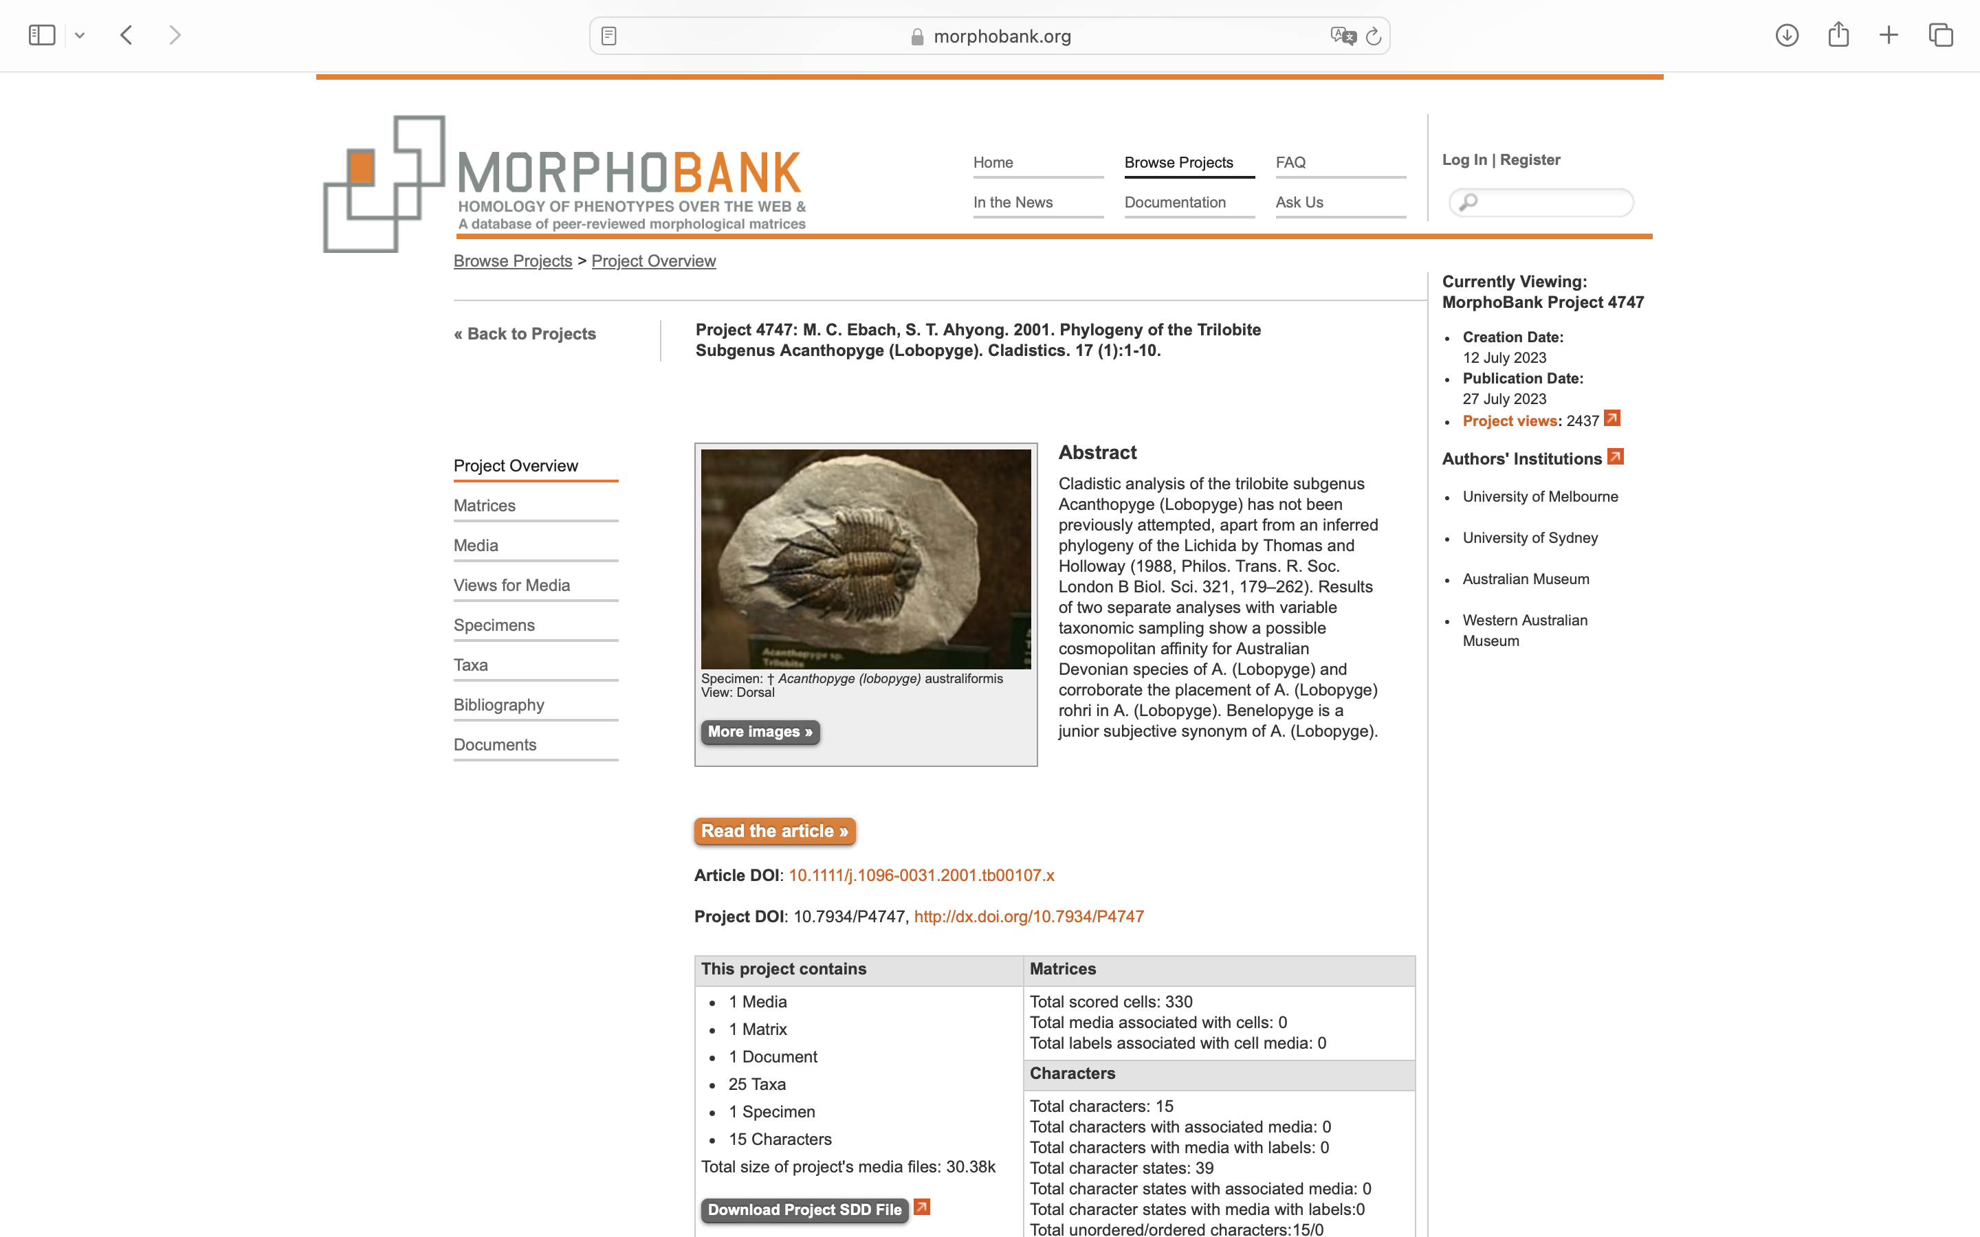
Charlabels | Character Pattern | Unseen States
[1] 'Posterior extent of longitudinal glabellar furrow' | Transformational | YES
[2] 'Course of S1 medially' | Transformational | NO
[3] 'Tuberculation on preoccipital glabellar lobe(s)' | Transformational | YES
[4] 'Width of median glabellar lobe' | Transformational | YES
[5] 'Medin glabellar ornamentation' | Transformational | YES
[6] 'Distal shortening of L0' | Transformational | YES
[7] 'Pitting on middle body of hypostome' | Transformational | NO
[8] 'Hypostome tuberculation' | Transformational | YES
[9] 'Pygidial posterior border development' | Neomorphic | NO
[10] 'Postaxial ridge' | Neomorphic | NO
[11] 'Second axil ring furrow' | Transformational | YES
[12] 'Tuberculation on second pygidial rib' | Neomorphic | NO
[13] 'Direction of second pygidial spine pair' | Transformational | YES
[14] 'Presence of a secondary marginal spine pair(s)' | Transformational | YES
[15] 'Distane between posterior marginal spine pair' | Transformational | NO

